Monday Integration
Feature | Concept | Options | Example | Know more about
Person | Who is responsible to execute the task | 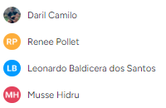 |  | Roles Distribution Standard
Groups | Are the departments responsible to deliver the task | 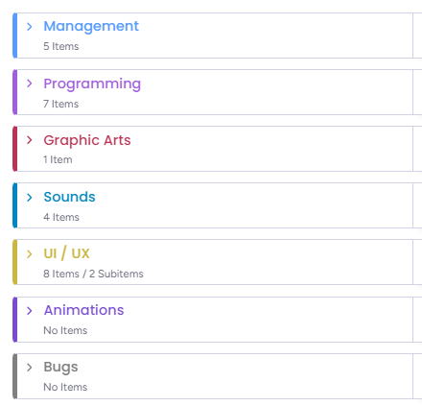 | 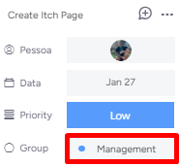 | Roles Distribution Standard
Status | In what stage of advancement the task are | 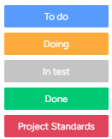 | 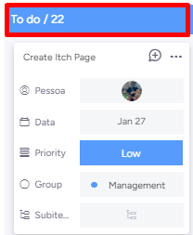 | Status Standard
Sprint | During what sprint the task should to be delivered to contribute to the final product the team needs to deliver in that milestone | 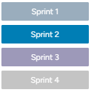 | 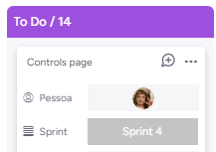 | Project Milestones
Data | Is the deadline for the task be delivered |  | 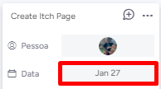
Priority | It is essential to determine when the task need be started, every team member needs to read the priorization scale standard for organize his / her execution properly | 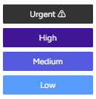 | 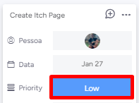 | Priorization Standard
Label | It is about what game's part will be impacted by the task | 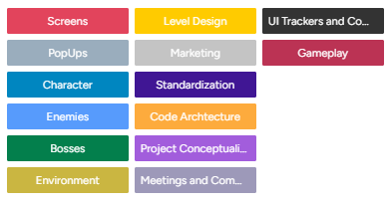 | 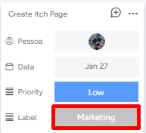 | Label
Issue Type | Issue type it is a field we created to track the kind of problems we have more during the project. It needs to be selected if we have some bug or if the task delivered is not aproved during the validation phase. | 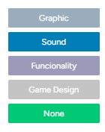 | 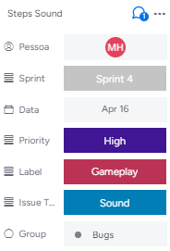 | Bugs and Issues solving

Project Milestones
1- Core System Working;
2- Basic UI elements working (Just enough for we see the game working);
3- A first version of the player character, one enemy and the map until fight agains the first enemies.
1- Basic movement's animations;
2- Different enemies mechanics;
3- Every simple enemy model implemented and also the items;
4- The game play sounds.
Projects Steps | Start Date | End Date | Period of time | Features (What we need to deliver)
Prototype | 13/5/2024 | 2024-03-06 | 3 weeks
Alpha Version | 2024-03-06 | 17/06/2024 | 2 weeks
The complete game but working properly.
At this phase we will do a large playtest to identify some improvement points.
Beta Version | 17/06/2024 | 24/06/2024 | 1 week
The final version
Polishment | 24/06/2024 | 2024-01-07 | 1 week

